Solution Map
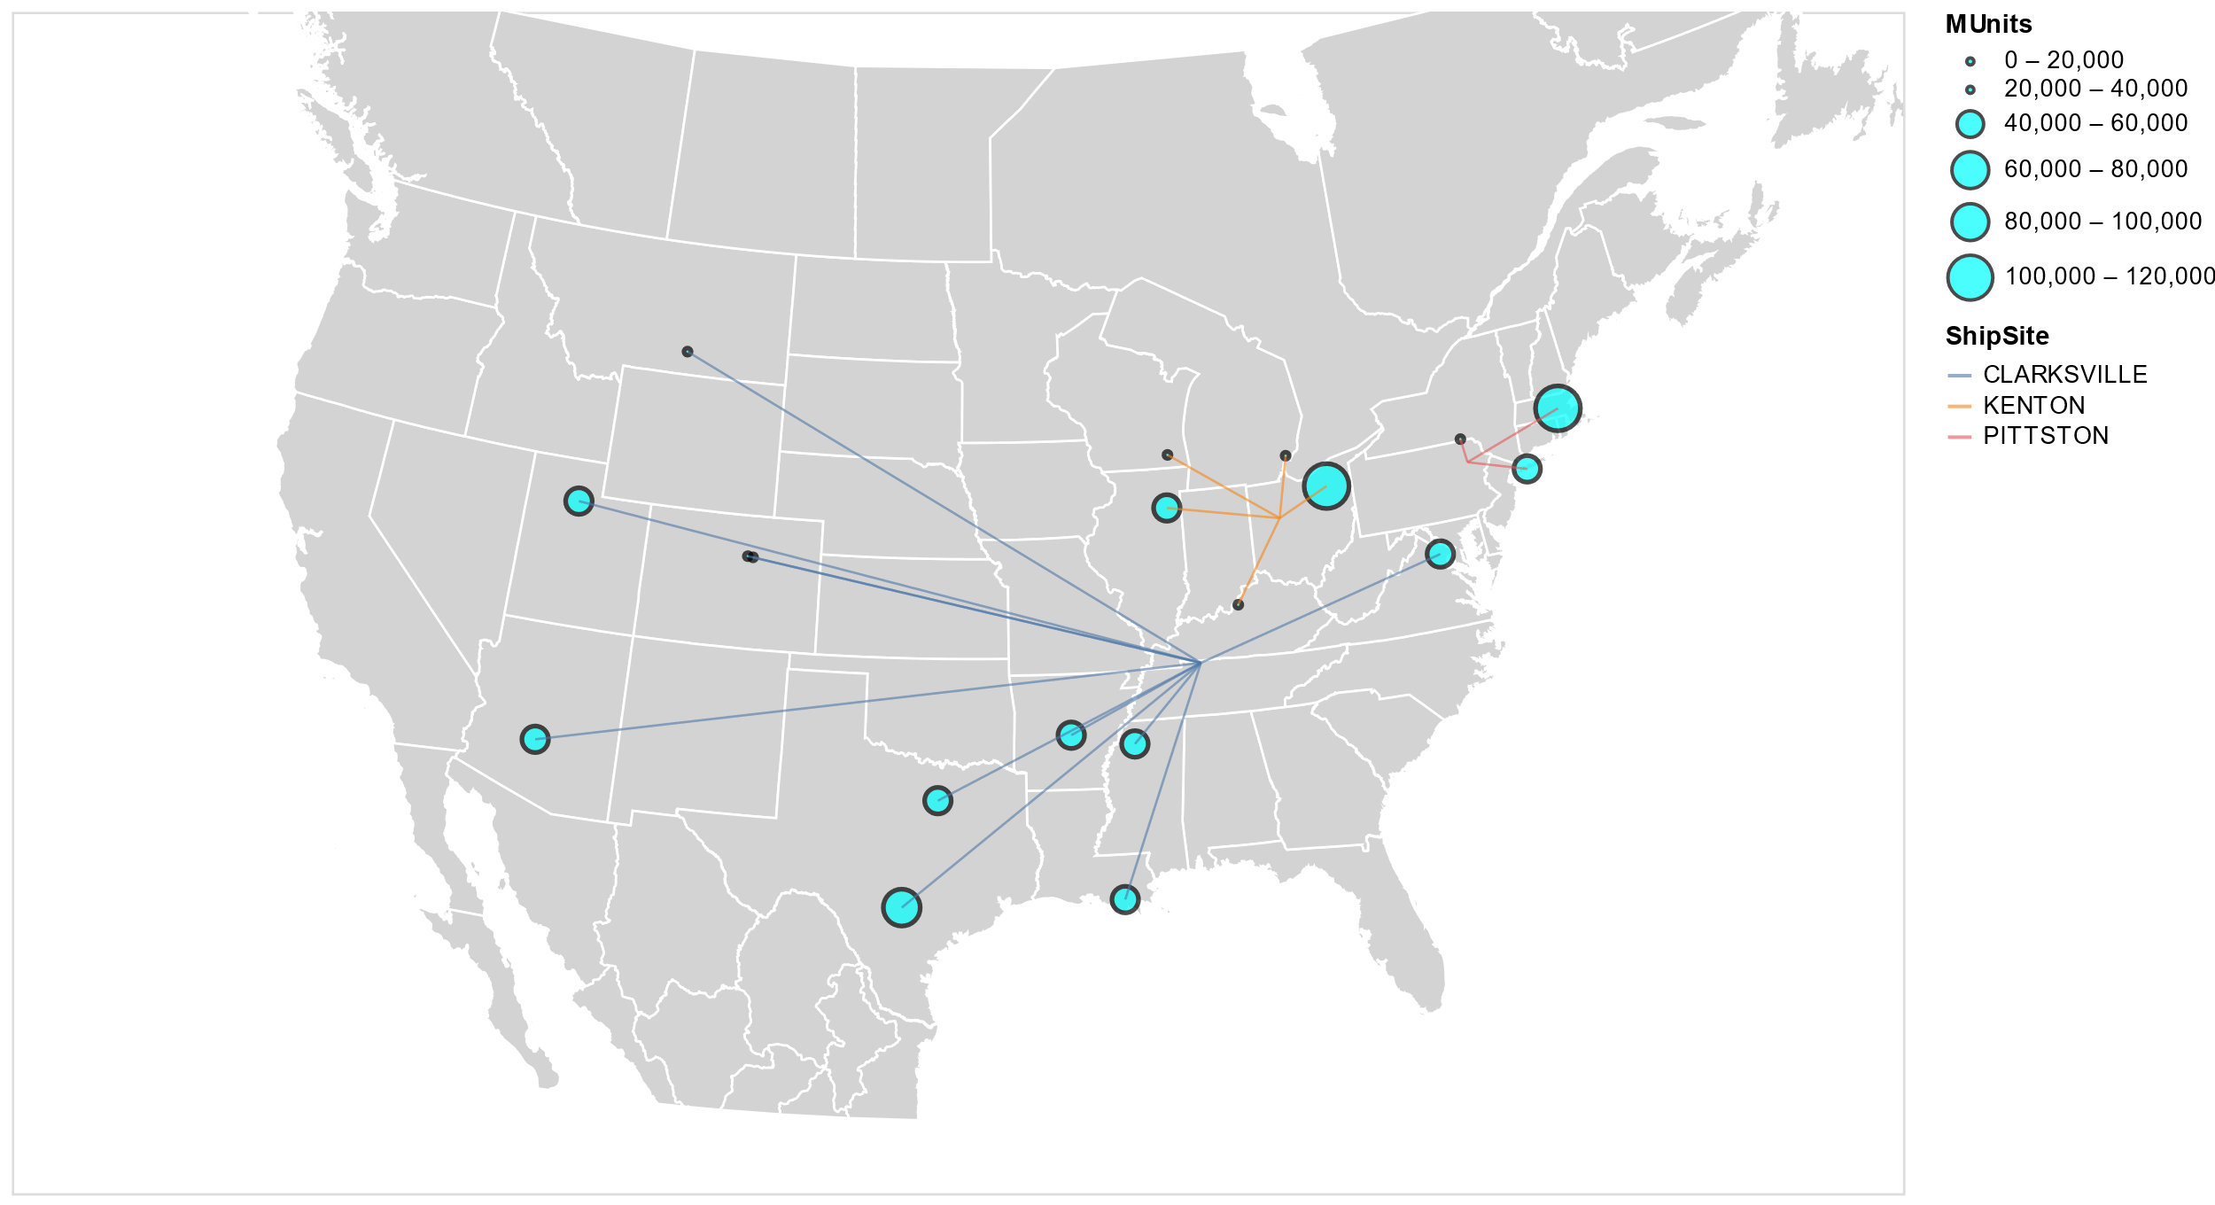
Limit Shipping Sites to Max of 3

